BUG_01
Bug ID | BUG_01
Tester | L.G.N.S.Gamage
Date | 2022-07-09
Title | Header Logo image
Bug Description
URL | https://www.saucedemo.com/
Summary | Swaglabs images should redirected to the saucedemo home page/inventory page.But that isn't working.
Screenshot | 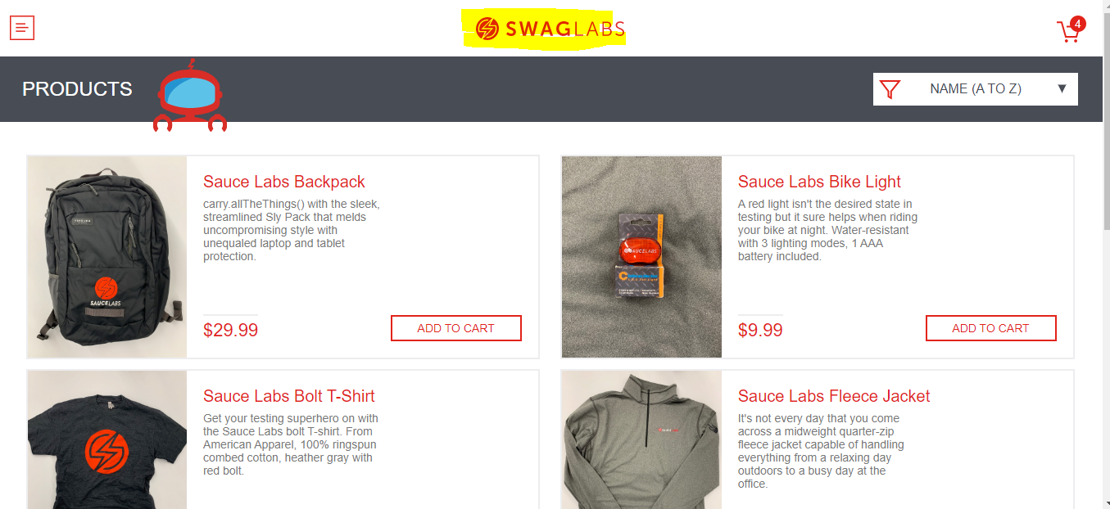

Platform | Windows 10 Home
Browser | Google chromeVersion 103.0.5060.114
Administrative
Assigned To | L.G.N.S.Gamage
Assigned At | 2022-07-09
Priority | Low
Severity | Low
Note
Test Steps | 1) Go to https://www.saucedemo.com/
 | 2) Click the header logo image

Result - Should be | When user click the logo image user should able to redirect it to home page.
Result | Nothing happen when user click the logo image

BUG_02
Bug ID | BUG_02
Tester | L.G.N.S.Gamage
Date | 2022-07-09
Title | Filter drop down Arrow button
Bug Description
URL | https://www.saucedemo.com/
Summary | Filter drop down Arrow buttonshould able to get the drop down list. But arrow drop down list is not working.
Screenshot | 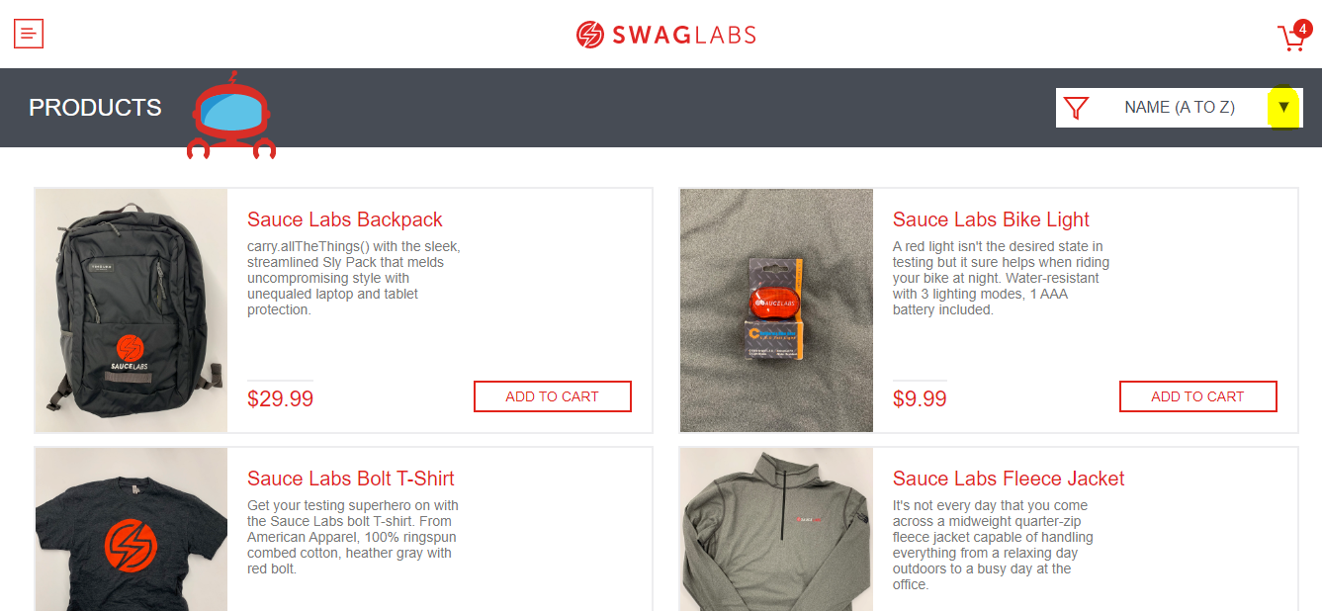

Platform | Windows 10 Home
Browser | Google chromeVersion 103.0.5060.114
Administrative
Assigned To | L.G.N.S.Gamage
Assigned At | 2022-07-09
Priority | Medium
Severity | Medium
Note
Test Steps | 1) Go to https://www.saucedemo.com/
 | 2) Login to the web site
 | 3) Click filter drop down arrow head

Result - Should be | When user click the arrow head,drop down list should appear
Result | Nothing happens when user click the drop down arrow head

BUG_03
Bug ID | BUG_03
Tester | L.G.N.S.Gamage
Date | 2022-07-09
Title | Quntity not change
Bug Description
URL | https://www.saucedemo.com/
Summary | When user add items to the cart ,that items quntity can't change
Screenshot | 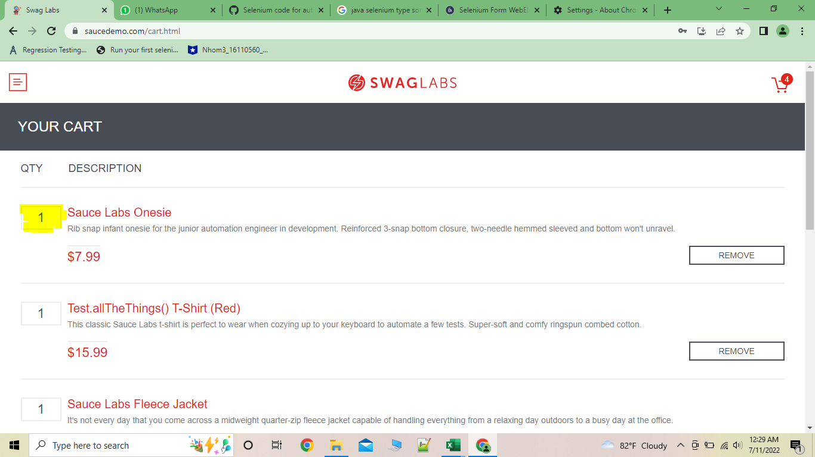

Platform | Windows 10 Home
Browser | Google chromeVersion 103.0.5060.114
Administrative
Assigned To | L.G.N.S.Gamage
Assigned At | 2022-07-09
Priority | High
Severity | High
Note
Test Steps | 1) Go to https://www.saucedemo.com/
 | 2) Login to the web site
 | 3) Add items in cart
 | 4) Click the cart
 | 5)Try to change item quntity

Result - Should be | Item Quntity should change
Result | Nothing happens when user click the quntity box.

BUG_04
Bug ID | BUG_04
Tester | L.G.N.S.Gamage
Date | 2022-07-09
Title | Inventory product description
Bug Description
URL | https://www.saucedemo.com/
Summary | Inventory product description should displayed product description.But it shows some coding function.
Screenshot | 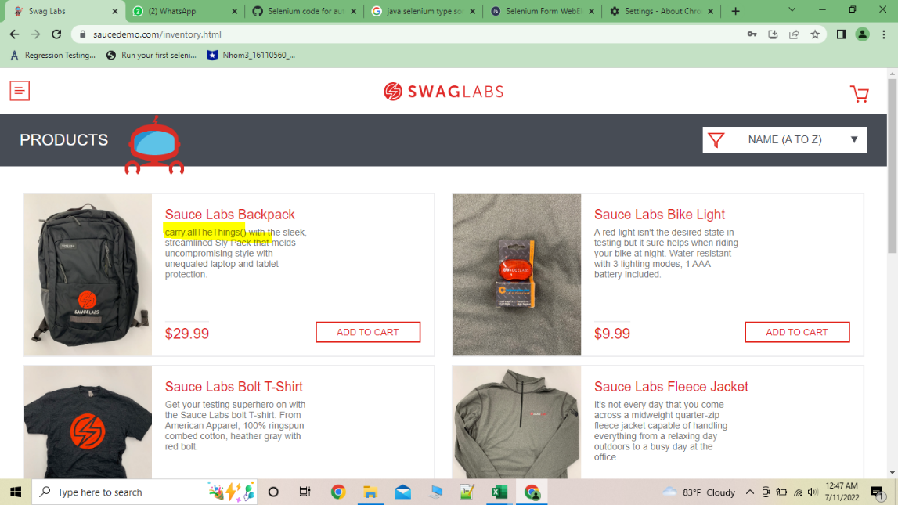

Platform | Windows 10 Home
Browser | Google chromeVersion 103.0.5060.114
Administrative
Assigned To | L.G.N.S.Gamage
Assigned At | 2022-07-09
Priority | High
Severity | High
Note
Test Steps | 1) Go to https://www.saucedemo.com/
 | 2) Login to the web site

Result - Should be | Coding function should removed
Result | Coding function should removed and users able to see product description properly.

BUG_05
Bug ID | BUG_05
Tester | L.G.N.S.Gamage
Date | 2022-07-09
Title | Product title
Bug Description
URL | https://www.saucedemo.com/
Summary | Product title shows some kind of function.
Screenshot | 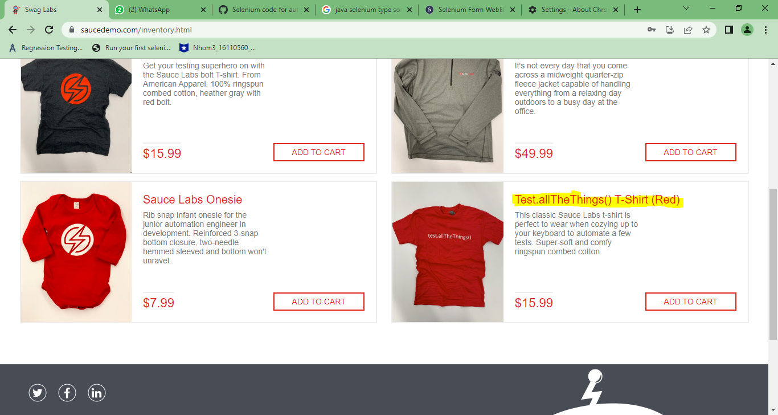

Platform | Windows 10 Home
Browser | Google chromeVersion 103.0.5060.114
Administrative
Assigned To | L.G.N.S.Gamage
Assigned At | 2022-07-09
Priority | High
Severity | High
Note
Test Steps | 1) Go to https://www.saucedemo.com/
 | 2) Login to the web site

Result - Should be | Coding function should removed
Result | Coding function should removed and users able to see product description properly.

BUG_06
Bug ID | BUG_05
Tester | L.G.N.S.Gamage
Date | 2022-07-09
Title | Checkout with empty items
Bug Description
URL | https://www.saucedemo.com/
Summary | Cart page checkout button working with the empty values.This should be disabled
Screenshot | 

Platform | Windows 10 Home
Browser | Google chromeVersion 103.0.5060.114
Administrative
Assigned To | L.G.N.S.Gamage
Assigned At | 2022-07-09
Priority | High
Severity | High
Note
Test Steps | 1) Go to https://www.saucedemo.com/
 | 2) Login to the web site
 | 3) Click the cart
 | 4)click checkout
Result - Should be | With empty items cart should be disabled.
Result | Users able to continue with empty cart.

BUG_07
Bug ID | BUG_05
Tester | L.G.N.S.Gamage
Date | 2022-07-09
Title | Checkout customer information
Bug Description
URL | https://www.saucedemo.com/
Summary | In checkout step one customer detail page address should be there.
Screenshot | 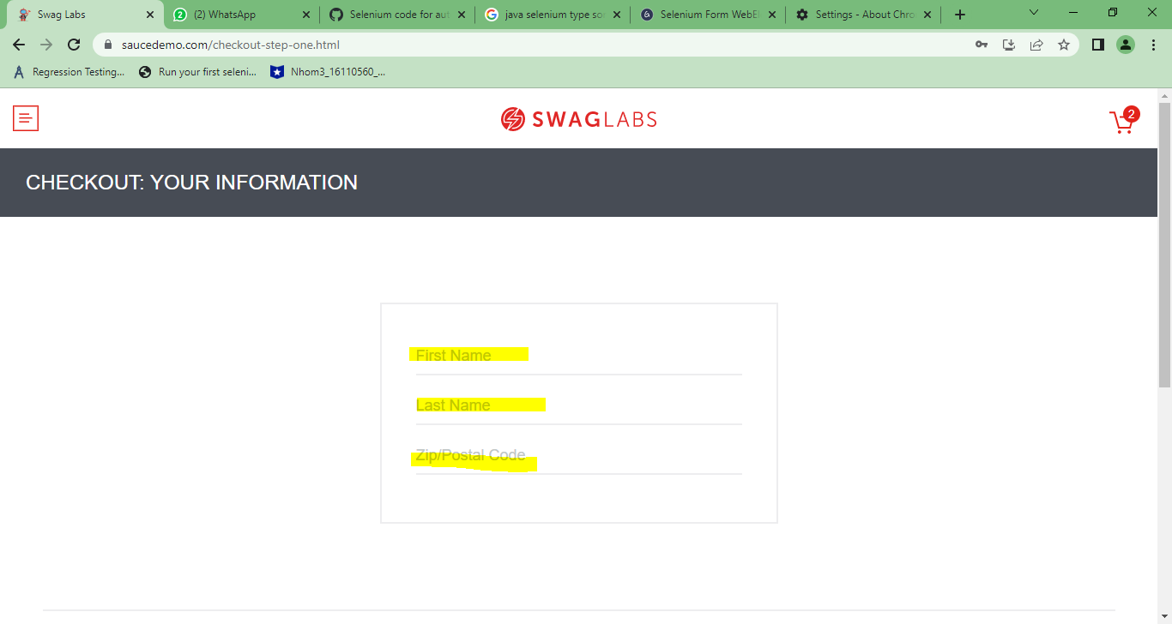

Platform | Windows 10 Home
Browser | Google chromeVersion 103.0.5060.114
Administrative
Assigned To | L.G.N.S.Gamage
Assigned At | 2022-07-09
Priority | High
Severity | High
Note
Test Steps | 1) Go to https://www.saucedemo.com/
 | 2) Login to the web site
 | 3) Click the cart
 | 4)click checkout
Result - Should be | In checkout step one customer detail page address should be there.
Result | checkout step one customer details are incomplete page.

